One Sample (T-Test)
(One Sample T Test)
CASE - I : Jio Fiber's Internet Speed Controversy
Jio Fiber launched on August 12, 2019 saw a commercial rollout on September 5th. Having done its BETA trials in cities like Bangalore, Hydrabad, Pune, Chennai, Mumbai and Delhi, company is agressively pushing its users in other cities to opt for the servcie.
Company's recent new post says its Internet service offers average download speed of 41.99 mbps.
You are Data Scientist working at Ookla, the company behind Speedtest, is the global leader in internet testing and analysis. You disagree to the statement and feel the average speed is NOT 41.99 mbps and want to prove the same.
You have collected speed data for Jio Fibernet for 30 different instances of standard file download from different locations and the data is stores in SPEED.xlsx file. Analyse the data and prove your statement
Speed | Bench mark
41.5 | 41.99
31.1 | 41.99
32.2 | 41.99
35.2 | 41.99
47.4 | 41.99
38.2 | 41.99
28.8 | 41.99
54.3 | 41.99
36.3 | 41.99
38.1 | 41.99
33.1 | 41.99
50.6 | 41.99
43 | 41.99
40.9 | 41.99
48.7 | 41.99
29.4 | 41.99
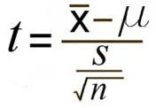
35.6 | 41.99
36.1 | 41.99 |  |  |  |  |  | Hypothesis |  | Is there any difference in Internet speed
38.8 | 41.99
43.5 | 41.99 |  |  |  |  |  | HO | The avaerage dowload speed is 41.99 mbps
33 | 41.99
30.1 | 41.99 |  |  |  |  |  | H1 | The avarage download speed might not be 41.99 mbps
30.1 | 41.99
41 | 41.99
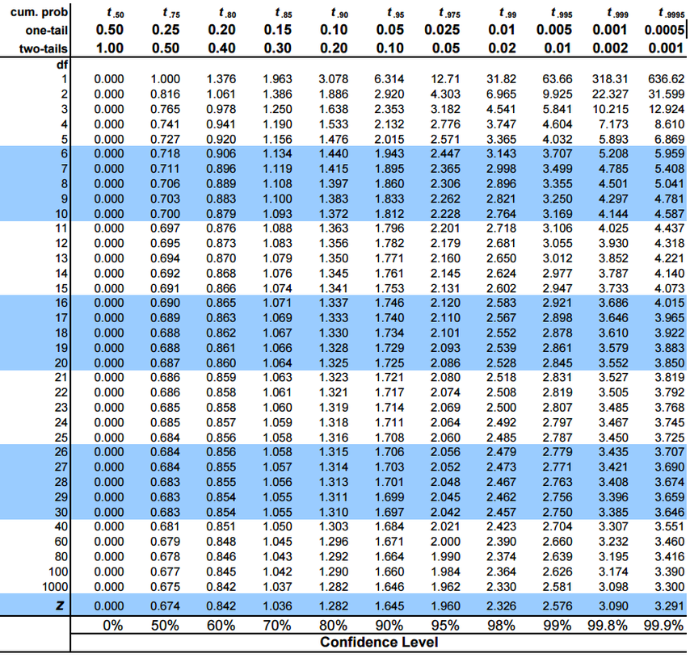
28.5 | 41.99 | t-Test: Two-Sample Assuming Unequal Variances
33.1 | 41.99
43.6 | 41.99 |  | Speed | Bench mark
28.2 | 41.99 | Mean | 36.955 | 41.99
24.4 | 41.99 | Variance | 62.896897436 | 0
54 | 41.99 | Observations | 40 | 40
47.5 | 41.99 | Hypothesized Mean Difference | 0 |  | Rule : | 1.1
35.5 | 41.99 | df | 39 |  |  | 2.1
25.7 | 41.99 | t Stat | -4.0152709705
40.1 | 41.99 | P(T<=t) one-tail | 0.00013081342336
25.1 | 41.99 | t Critical one-tail | 1.6848751217
37.4 | 41.99 | P(T<=t) two-tail | 0.00026162684673
31.5 | 41.99 | t Critical two-tail | 2.02269092 |  | alpha | 0.05
29.3 | 41.99
30.6 | 41.99
46.7 | 41.99 | Indirect method

 |  | t stat | Sample - est mean /stadard error

 |  | sample mean | 36.955
 |  | estimated mean | 41.99

 |  | Sd error | Sd of sample / sqrt no. of samples

 |  | Sd of sample | 7.93
 |  | sqrt no. of samples | 6.32

 |  | Sd error | 1.2539626932

 |  | t stat | -4.0152709705

 |  | Df | N-1
 |  | Df | 39

 |  | Tcrit | 2.021 | Slightly greater than 2.021

 |  | Pvalue | 0.001 | lesser than 0.001

 |  | Rule | 1.1 | Reject the null hypothesis
 |  |  | 2.1 | Reject the null hypothesis

 |  | Therefore I disgree the statement and feel the avg speed is not 41.99 Mbps

 |  | H1 | The avarage download speed might not be 41.99 mbps

Paired Sample (T-Test)
USE CASE - II : Server Migration for OKCupid
Bangalore based Dating Website had developed and implemented thier entier product on AWS cloud using free USD 1000 offered by Karnataka Govt. Start-up Initiative. Since AWS could is very expensive, the company's technology team decided to migrate the server to cloud based VPN.
The App has 30 IR Services which needs to be migrated from AWS to VPN. Technology team has recoreded the time requiered for every IT service on both the AWS as well as In House VPN Server.
Analyze the data provided and consult the technology team to test if it is a vise decision to migrate from AWS.
Services | AWS response time | In House response time | Difference
Sentiment Analysis | 32 | 96 | -64
Named entity detection | 16 | 78 | -62
Category classification | 12 | 64 | -52
Snippeting tool | 34 | 84 | -50
Automatic Speech recognition | 20 | 70 | -50
Punctuation | 26 | 74 | -48
Attribute Identification | 34 | 80 | -46
Aspect based sentiment analysis | 32 | 78 | -46
Summarization | 46 | 90 | -44
Elastic search | 38 | 82 | -44
Object identification | 36 | 80 | -44
Gender detection | 16 | 60 | -44
Group analysis | 10 | 54 | -44
Aggregator | 50 | 92 | -42 |  |  |  |  |  | Hypothesis |  | Is it good to switch From AWS to VPN
Curator | 34 | 76 | -42
Reserver | 44 | 84 | -40 |  |  |  |  |  | H0 | Migration can be happened to AWS to VPN
POS tagger | 36 | 76 | -40 |  |  |  |  |  | H1 | Migration cannot be happened to AWS to VPN
Html creator | 34 | 74 | -40
Information retrieval | 20 | 60 | -40
Passage ranking | 52 | 90 | -38
passage scoring | 50 | 88 | -38 |  |  | t-Test: Paired Two Sample for Means
sentence integrity | 48 | 86 | -38
QA | 44 | 82 | -38 |  |  |  | AWS response time | In House response time
Response analyser | 32 | 70 | -38 |  |  | Mean | 33.533333333 | 76.466666667
Speech synthesis | 50 | 86 | -36 |  |  | Variance | 142.8091954 | 119.36091954
Image identification | 42 | 78 | -36 |  |  | Observations | 30 | 30 |  | Pvalue < alpha
Auto Blogger | 36 | 72 | -36 |  |  | Pearson Correlation | 0.80780410541 |  |  | Tstat > tcrit
Recommendation engine | 36 | 72 | -36 |  |  | Hypothesized Mean Difference | 0 |  | Rule | 1.1
CBM model | 24 | 60 | -36 |  |  | df | 29 |  |  | 2.1
taxonomy model | 22 | 58 | -36 |  |  | t Stat | -32.852189146
 |  |  |  |  |  | P(T<=t) one-tail | 0.00
 |  |  |  |  |  | t Critical one-tail | 1.6991270265
 |  |  |  |  |  | P(T<=t) two-tail | 0.00
 |  |  |  |  |  | t Critical two-tail | 2.0452296421

 |  |  |  |  | Indirect Method

 |  |  |  |  | tstat | Dbar/(sd/sqrt N)

 |  |  |  |  | Dbar | Before mean - after mean

 |  |  |  |  | Before mean |  | 33.53
 |  |  |  |  | After mean |  | 76.47

 |  |  |  |  | Dbar |  | -42.93

 |  |  |  |  | Sd of the sample |  | 7.16
 |  |  |  |  | sqrt of the sample |  | 5.48

 |  |  |  |  | sd error |  | 1.3068636961 |  | Alpha | 0.05

 |  |  |  |  | tstat |  | -32.852189146

 |  |  |  |  | T crit |  | 2.045 | Slighty greater than 2.045

 |  |  |  |  | p value |  | 0.001 | Less than the 0.001

 |  |  |  |  |  | Pvalue <alpha
 |  |  |  |  |  | Tstat > tcrit
 |  |  |  |  | Rule | 1.1 | Reject the null hypothesis
 |  |  |  |  |  | 2.1 | Reject the null hypothesis

 |  |  |  | Statement |  | Migration cannot be happened to AWS to VPN , Therefore it is better to consider the Aws for better server

Independent Sample(T-test)
CASE - III : Segrigation of IR Services
Since AWS is expensive, team decided to keep IR services which takes longer runtime to be execute on AWS server and move rest of services which takes smaller runtime on to VPN. Team is now decideding between two very important services namely Sentiment Analysis and Image Processing. Thier runtime for 16 API calls are recorded.
You are asked to analyze the data and recomment which one of the two services should be moved to VPN.
sentiment | Image_processing
15.2 | 15.9
15.3 | 15.9
16 | 15.2
15.8 | 16.6
15.6 | 15.2
14.9 | 15.8
15 | 15.8
15.4 | 16.2
15.6 | 15.6
15.7 | 15.8
15.5 | 15.5
15.2 | 15.5
15.5 | 15.5
15.2 | 15.5
15.3 | 14.9
15 | 15.9
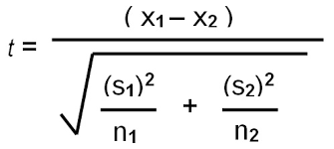
 |  |  |  |  |  |  | Hypothesis |  | Services to be moved to VPN

 |  |  |  |  |  |  | H0 |  | might don’t have to move the 2 services to VPN
 |  |  |  |  |  |  | H1 |  | have to move the 2 services to VPN

 |  | Direct Method

 |  | t-Test: Two-Sample Assuming Unequal Variances

 |  |  | sentiment | Image_processing
 |  | Mean | 15.3875 | 15.675
 |  | Variance | 0.0945 | 0.16733333333
 |  | Observations | 16 | 16
 |  | Hypothesized Mean Difference | 0
 |  | df | 28 |  |  | df= min(n1-1,n2-1) |  | ?
 |  | t Stat | -2.2474258562
 |  | P(T<=t) one-tail | 0.016338380923
 |  | t Critical one-tail | 1.7011309343 |  |  |  | Rules
 |  | P(T<=t) two-tail | 0.032676761846 |  |  |  | P value<alpha value (Rule 1.1) | Reject Null Hypothesis
 |  | t Critical two-tail | 2.0484071418 |  |  |  | T stat> T crit (Rule 2.1) | Reject Null Hypothesis
 |  |  |  |  |  |  | Therefore, have to move the 2 services to VPN

 |  | InDirect method

 |  | Sample S1 Mean |  | 15.39
 |  | Sample S2 Mean |  | 15.68

 |  | SD OF sample 1 |  | 0.30740852298
 |  | S1^2 |  | 0.0945

 |  | SD OF sample 2 |  | 0.40906397218
 |  | S2^2 |  | 0.16733333333

 |  | N1 |  | 16
 |  | N2 |  | 16 |  |  | Rules
 |  |  |  |  |  |  | P value<alpha value (Rule 1.1) | Reject Null Hypothesis
 |  |  |  |  |  |  | T stat> T crit (Rule 2.1) | Reject Null Hypothesis
 |  | Numerator |  | -0.29 |  |  | Therefore, have to move the 2 services to VPN
 |  | denominator |  | 0.12792413116

 |  | Tstat |  | -2.2474258562

 |  | T crit |  | 2.048 | Slightly greater than 2.048

 |  | Pvalue |  | 0.02

Chi-Square
Chi Square
 |  |  |  |  |  | Maruthi Suzuki Baleno Blue Moon
 | Gender | Like Blue or Not
 | Female | Yes | After a grand launch of New Boleno in 2015 Product Manager at Maruthi Suzuki Mr. Amar Jadav suddenly
 | Female | Yes | observed huge demand for Blue Moon Color Boleno espoecially from female customers
 | Female | Yes
 | Female | Yes | At Maruthi Headquarters during the board meeting, Mr. Amar, proposed an idea of targeting an advertisement towards women
 | Female | No | for boosting the sales for upcoming quarter
 | Female | No
 | Female | No | Branding and Marketing head Mr. Alok disagrees with Mr. Amar. His argument was, the data is too early to comment and such
 | Female | Yes | advertisement fact will be baseless.
 | Female | Yes
 | Female | No | Mr. Amar, with great interest in data and statistical analysis felt he can provide a statistical evidence to prove his idea.
 | Female | Yes
 | Female | Yes | Please suggest him to analysis his statement
 | Female | Yes
 | Female | Yes | Hypothesis |  | Targeting advertisement towards women for boosting sales
 | Female | Yes
 | Female | Yes | H0 |  | the data is consider on advertising with female customers
 | Female | No | H1 |  | the data is consider too early to comment on advertising with female customers
 | Female | Yes
 | Female | Yes | Direct Method
 | Female | No | Count of Gender | Column Labels |  |  | Indirect method
 | Female | Yes | Row Labels | No | Yes | Grand Total | formula =((actual -expected )^2 / expected
 | Female | Yes | Female | 19 | 31 | 50
 | Female | No | Male | 20 | 30 | 50 |  | Count of Gender | Column Labels
 | Female | No | Grand Total | 39 | 61 | 100 |  | Row Labels | No | Yes
 | Female | No |  |  |  |  |  | Female | 0.012820512821 | 0.0081967213115
 | Female | Yes | 1) Table of actual value |  |  |  |  | Male | 0.012820512821 | 0.0081967213115
 | Female | No | Count of Gender | Column Labels
 | Female | Yes | Row Labels | No | Yes | Grand Total |  | Chistat | 0.042034468264 |  | Rule | chi stat <chi crit | 1.2
 | Female | Yes | Female | 19 | 31 | 50 | using chicrit table | Chicrit | 3.842 |  |  | Accept the null hypothesis
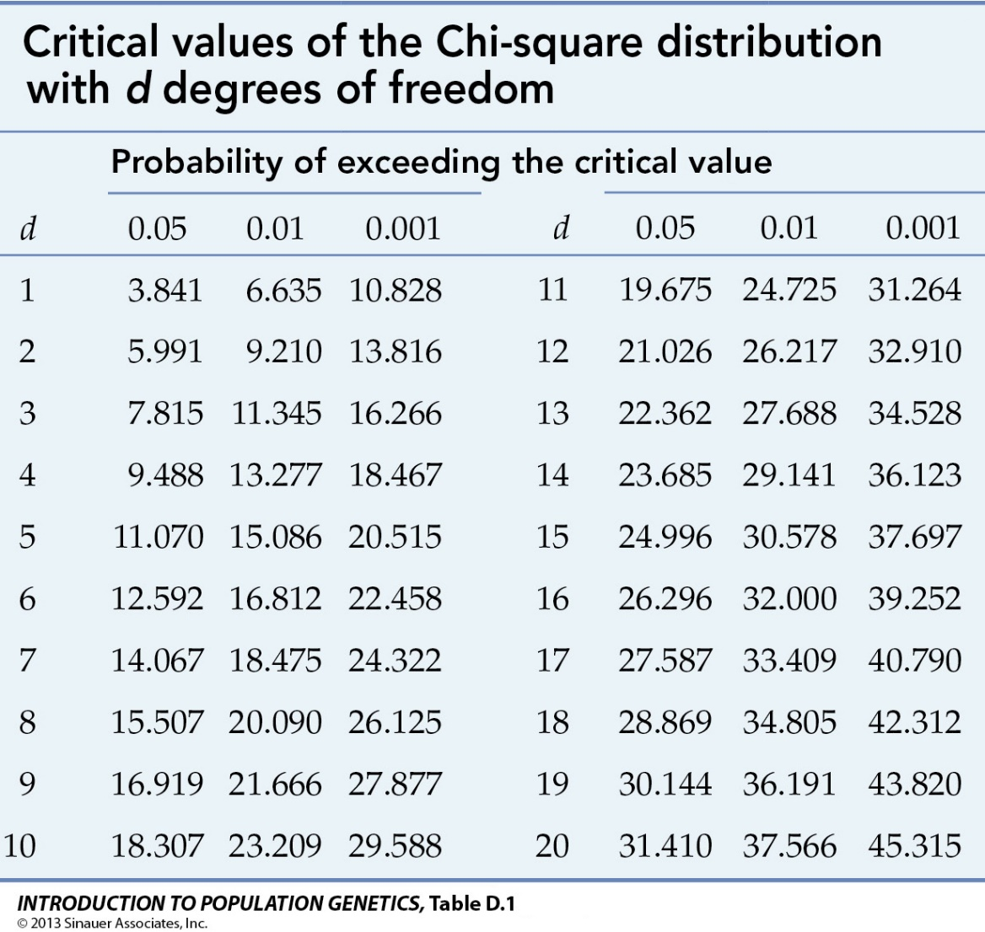
 | Female | No | Male | 20 | 30 | 50
 | Female | No | Grand Total | 39 | 61 | 100
 | Female | No
 | Female | Yes
 | Female | Yes | 2) Table of expected value
 | Female | Yes | Count of Gender | Column Labels
 | Female | Yes | Row Labels | No | Yes | Grand Total
 | Female | Yes | Female | 19.5 | 30.5 | 50
 | Female | Yes | Male | 19.5 | 30.5 | 50
 | Female | No | Grand Total | 39 | 61 | 100
 | Female | Yes
 | Male | Yes
 | Male | Yes
 | Male | Yes | Pvalue | 0.83755408341
 | Male | Yes | chi stat | 0.042034468264
 | Male | Yes | chi critical | 3.8414588207
 | Male | Yes | Alpha value | 0.05
 | Male | No | Degree of freedom | (No. of rows -1)*(no. of cloums -1)
 | Male | Yes |  | 1
 | Male | No
 | Female | No | Rule | Pvalue > alpha | 1.2 | Accept the null hypothesis
 | Female | Yes |  | chi stat <chi crit | 2.2 | Accept the null hypothesis
 | Female | Yes
 | Female | Yes
 | Female | No
 | Female | No
 | Female | No
 | Female | No
 | Female | Yes
 | Female | Yes
 | Male | Yes
 | Male | Yes
 | Male | Yes
 | Male | No
 | Male | No
 | Male | Yes
 | Male | Yes
 | Male | Yes
 | Male | Yes
 | Male | Yes
 | Male | No
 | Male | Yes
 | Male | Yes
 | Male | Yes
 | Male | Yes
 | Male | Yes
 | Male | No
 | Male | No
 | Male | No
 | Male | No
 | Male | No
 | Male | Yes
 | Male | No
 | Male | No
 | Male | Yes
 | Male | No
 | Male | Yes
 | Male | Yes
 | Male | Yes
 | Male | Yes
 | Male | Yes
 | Male | Yes
 | Male | No
 | Male | No
 | Male | No
 | Male | No
 | Male | No
 | Male | Yes
 | Male | Yes
 | Male | No
 | Male | No

